screen
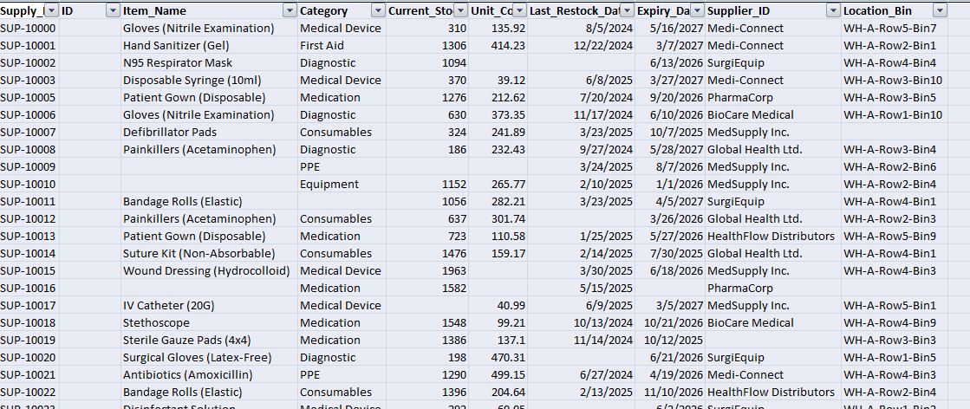
DATA SORT

SUPPLY ID USED FORMULA" RIGHT".

AVERAGE FUNCTION USED

IF function used

remove duplications

UNIT COST

CURRENT STOCK

CATEGORY

ITEM NAME

SUPPLIER-ID

LAST/EXPIRY DATE

LOCATION

